Orientation Key
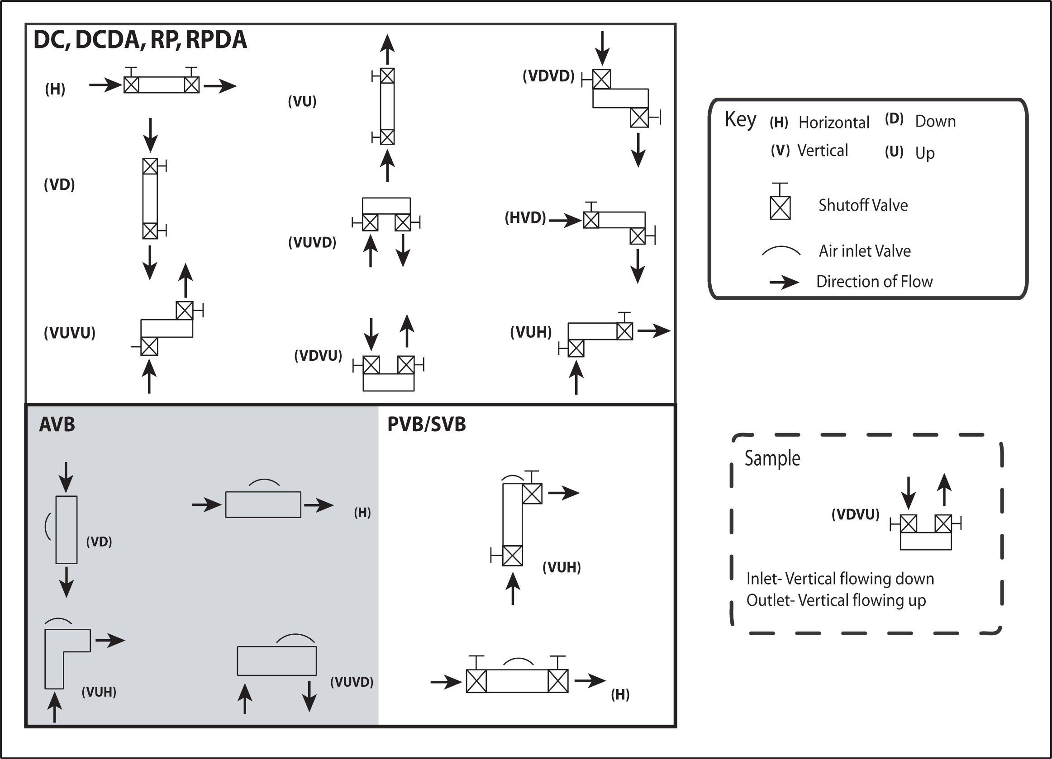
Orientation Key

